Data
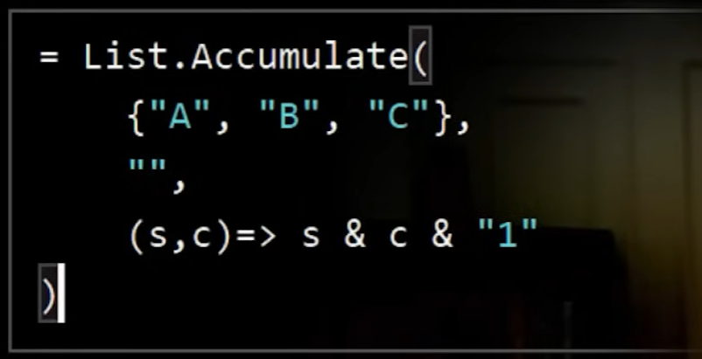
Year | BU Seg | Sales | Cogs | Op Exp | HR Exp
2021 | A | 203 | 61 | 66 | 35
2021 | B | 237 | 51 | 66 | 43
2021 | C | 226 | 101 | 66 | 45
2022 | A | 208 | 125 | 53 | 22
2022 | B | 212 | 133 | 58 | 36
2022 | C | 208 | 94 | 76 | 49
2023 | A | 229 | 83 | 63 | 45
2023 | B | 244 | 132 | 89 | 30
2023 | C | 202 | 132 | 64 | 48

